GNR-D CRD SURVEY
 | GNR-D - CRD SURVEY
 |  |  | Jiang, Art art.jiang@intel.com | Wang, Vicky vicky.wang@intel.com | Yuen, Desmond desmond.yuen@intel.com | Zhou, Sophy sophy.zhou@intel.com | Lo, Mike <mike.lo@quantatw.com> | Connos Tsai | Jan, Annie annie.jan@intel.com | Wu, Tracy 1 tracy.1.wu@intel.com | iris.chang@dell.com
No. | Survey Questions/调查问卷 | Example Responses/回答示例 | Lenovo | Bytedance | Supermicro | H3C | Quanta | Wiwynn | Advantech | ZTE | Dell Outland Project (ODM Unknown)
1 | How many PCB form factors will GNR-D go into? GNR-D 会用在哪种PCB设计上？ | Eg: 2 form factors: 1. Stand-alone small size add-in accelerate card, 2. Full Size full functional cloud server boards 有两种设计：1.独立的加速卡； 2. 全尺寸云服务器主板 | NA | DPU card OCP and PCIe card DPU card with OCP and PCIe. | 4-5 PCBs mini-ITX, FlexATX, uATX, Blade - X12SDV-20C-SPT8F | NA | Full Size full functional cloud server boards | Full size server board (Take 1 project for referance) | Full size Main Board | Full size server board | Full Size full functional cloud server boards
2 | What is GNR-D’s PCB(s) attributes (X, Y, Z, and stack up)? GNR-D 的PCB 尺寸和层数是多少？ | Eg: 250x380x1.8mm, 12 layers PCB 250x380x1.8mm, 12层PCB | 205*213*1.74mm, 14Layers PCB | According to our DPU2.0:OCP card PCB size：139*200*1.6mm 16 layers | 7.5"X8.5", 63.20MILS, 12 layers | NA | uncertain | 458 x 403 x 2.54 mm, 18 Layers (Take 1 project for referance) | 296x3051.6mm, 10 layers PCB | 440x403x2.8mm, 18 Layers | 280.3x162x2.32mm, 18 layers PCB
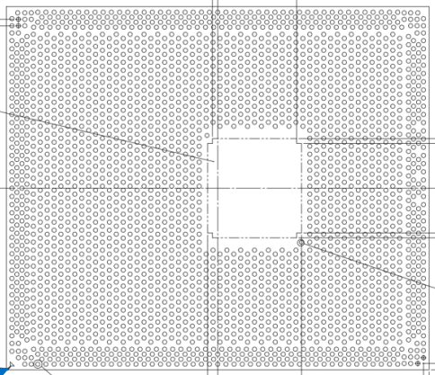
3 | How many GNR-D BGAs will be surface mounted on each PCB design(s)? 每块PCB板上会焊接几个GND-R CPU? | Eg: 4 BGA processors per board 4个CPU | 1 BGA processor per board | 1 | 1 | NA | uncertain | 2 CPUs (Take 1 project for referance) | One CPU | 1 or 2 CPUs | 1 CPU
4 | What solder paste you will use to solder down GNR-D BGA? 你们使用的锡膏的厂商和型号？ | Eg: Shenmao PF606-P, Senju M705-S101(N4)-S4 | Shenmao PF606-P | TBD | Shenmao PF606-P | TAMURA TLF-204-NH(20-36) | Shenmao PF606-P, Senju M705-S101(N4)-S4 | ShenMao PF606-P or PF606-P245 | Shenmao PF606-P | Tanmura, Indium | Shenmao PF918
5 | What reflow ambient you will use to solder down GNR-D BGA? 回流焊时你们使用那种气体？ | Eg: Air; N2(O2<3000PPM) 空气； 氮气（氧含量<3000PPM） | N2(O2<500PPM) | Air and N2（O2 <3000PPM） | Air or N2(O2<1000PPM） | N2(O2<3000PPM) | Air; N2(O2<3000PPM) | N2 | Air; N2(O2<3000PPM) | Air | N2（Q2<1000PPM）
6 | Please provide your reflow oven maker and model for GNR-D reflow 请提供你们回流焊炉的品牌和型号 | Eg: Heller, MK1705, 13+2 zones Heller MK1705, 13+2温区 | Heller MK7 10+3 zones / Rehm VX834 11+4 zones | TBD | Rehm 945: 13+5 zones | ERSA 13+4 zones | REHM,VXP945N | Rehm VXP945, 13 heating zones and 5 cooling | ERSA, HF320, (10+ 4 zones) | BTU, 12 heating zones | ERSA HOTFLOW 3/26XL 13 Zones
7 | Will you use pallet to support PCB duirng SMT reflow? 回流焊时， 你们会使用回流焊载具来支撑吗？ | Eg: Yes/No 是/否 | Yes | yes | YES | Yes | Yes | Yes | No | Small part of project will use reflow pallet | Yes
8 | Will you use pallet to support PCB duirng BGA rework? 在BGA维修时，你们会使用治具支撑吗？ | Eg: Yes/No 是/否 | Yes | yes | YES | Yes | Yes | Yes | Yes | Yes | Yes
9 | How do you Inspect GNR-D BGA solder joint quality after reflow 你们在回流焊后，怎样检查BGA焊点质量？ | Please answer the question in below 请在下面的格子中回答 |  |  |  |  |  | AXI/ off-line 2D and follow IPC610
9.1 | Sampling manual x-ray inspection 抽样手动X-ray检测 | Eg: Yes, sample size 1/10; No 是， 抽样率1比10； 否 | Yes |  | First 3 Pcs of the production start, after that, manual sampling 1pcs per hour |  | Sampling manual x-ray | Sampling manual x-ray | No | Sampling manual x-ray | No
9.2 | 100% manual x-ray inspection 100%手动X-ray检查 | Eg: Yes/No 是/否 | No | yes | YES |  | No | No | No | No | No
9.3 | 100% automatic AXI inspection 100% 自动X-ray检查 | Eg: Yes/No 是/否 | Yes | No | NO | Yes | Yes | Sampling in MP but 100% in NPI phase | No | No | NPI: 100%，MP: 25% sampling plan
9.4 | 100% electrical function test 100% 功能测试 | Eg: Yes/No 是/否 | Yes | yes | YES |  | Yes | Yes | Yes | Yes | Yes
9.5 | Others; Please specify 其他 - 请详述 |  |  |  | N/A
10 | How many times will GNR-D be subjected to temperatures above 140C during SMT, wave and/or selective solder 在你们的SMT制程中， GNR-D会被加热到140度以上几次？ | Eg: 3X, 2X in SMT reflow, 1X in wave soldering (or selective wave soldering) 3次，2次在SMT回流焊中， 1次在波峰焊中（或选择性波峰焊） | 1X in SMT reflow, 1X in wave soldering | 1~2 | 2X, 1X in SMT reflow, 1X in Wave soldering | 2X in SMT reflow (Harry: Suspect they acctually means 1X in reflow and 1X in wave) | 2X, 1X in SMT reflow, 1X in wave soldering (or selective wave soldering | 1 for SMT Top and 1 for wavesolder | 1 in SMT reflow | Normally 1~2 times | 2X，1X in SMT reflow, 1X in WaveSoldering
11 | How many times will GNR-D be subjected to temperatures above 140C during rework 在BGA维修制程中， GNR-D会被加热到140度以上几次？ | Eg: 1X 一次 | 1X | Not sure, for this BGA, How many times are allowed to over 140C? | 1X | Max 2X at same locatiion | 1X | 2X | 1 | about 2~3 times | 1X
12 | When rework other compoents on GND-R board, will GND-R BGA be subject to temperatures above 140C? 在维修板子上的其他零件时，GND-R会被加热到140度以上几次？ | Eg: 0X/1X/2X 0次/1次/2次 | board design dependent, will be 1X, 2X or more if there are adjacent components that to be reworked with hot air rework station | Not sure | 2X (1x when remove the components, 1x when install new components) | depends on board layout | 1X | 1X | 0 | about 2~3 times | 0
13 | What is the minimum distance (Keep Out Zone) between GNR-D and the nearest components surround it? GNR-D和周边零件的最小距离是多少？ | Eg: 1mm; 2mm; 5mm 1毫米，2毫米，3毫米 | 2mm typical | >=2mm | 2.77mm | 3mm | 2mm | >2mm | 13.6mm | 1mm | 2.84mm
14 | Can you provide Intel with the product board(s) design files? 你们能提供板子的设计文件给Intel吗？ | Eg: Yes/No 是/否 | Pls contact with Lenovo Dev. team | Not sure | Yes | No | No | No | Yes, when design review request | No | Under proper NDA and condition.
15 | Can you provide Intel the information necessary and permission to purchase the product PCB(s) from your PCB supplier? Reason: Intel would like to order customer PCBs and perform SMT assessment on them to simulate the customer assembly conditions 你们能否提供相关信息并允许Intel从你们的PCB供应商那里采购你们的PCB板吗？ 原因： Intel期望采购客户的PCB板来进行SMT制程的验证 | Eg: Yes/No 是/否 | Pls contact with Lenovo Dev. team | Not sure | Yes | NA | No | No | Yes | No | Under proper NDA and condition.
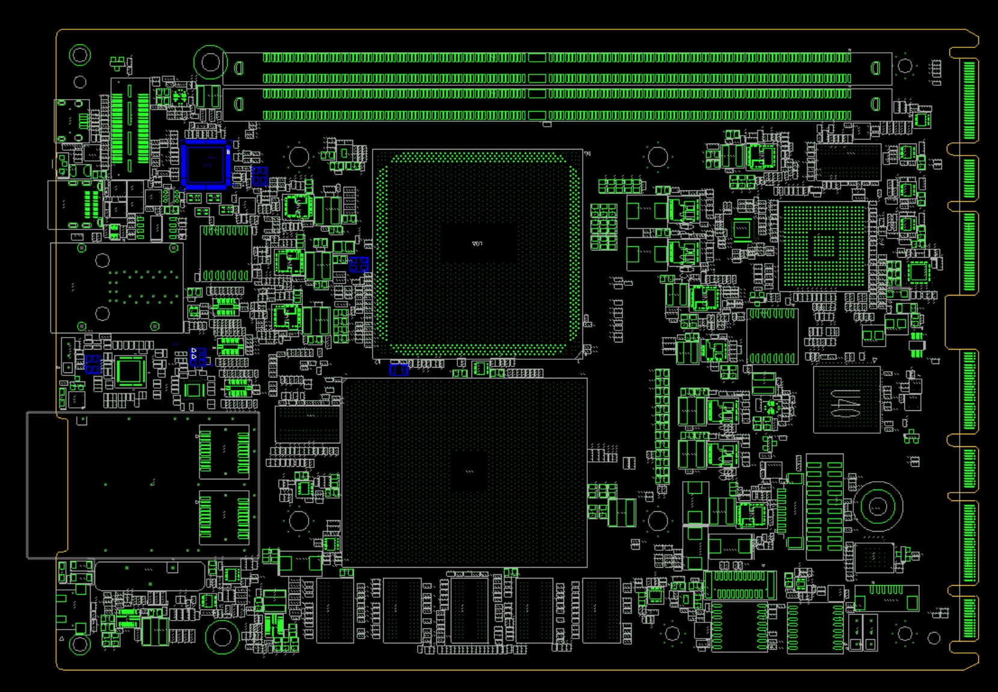
 |  |  |  |  | X12SDV-20C-SPT8F

